Table 1
 |  |  |  | Category All BEV
ZEV Sales Annual Comparison
0.48% | 0.45%

0.46%
0.44%
0.42%
0.40%
0.38%
0.36%
0.34%
0.32%
0.30%
0.28%
0.26%
0.24%
0.22%
0.20%
0.18%
0.16%
0.14%
0.12%
0.10%
0.08%
0.06%
0.04%
0.02%
0.00%
 | 2016
AutoAllianceLogo

CSElogo2

Max Date All MS Dec 2016
Min Date All MS Jan 2016
0.74% | 2016 |  |  |  |  |  |  |  |  |  |  | Category All BEV
0.72%
0.70%
0.68%
0.66%
0.64%
0.62%
0.60%
0.58%
0.56%
0.54%
0.52%
0.50%
0.48%
0.46%
0.44%
0.42%
0.40%
0.38%
0.36%
0.34%
0.32%
0.30%
0.28%
0.26%
0.24%
0.22%
0.20%
0.18%
0.16%
0.14%
0.12%
0.10%
0.08%
0.06%
0.04%
0.02%
0.00% | Jan | Feb | Mar |  | Apr |  |  | May | Jun | Jul |  |  | Aug |  | Sep | Oct | Nov | Dec
California Washington Oregon Hawaii District of Columbia Colorado Wisconsin Utah Nevada Arizona Connecticut Massachusetts Georgia Maryland Florida Illinois Minnesota New Jersey Virginia Kansas New York Vermont Rhode Island Tennessee* North Carolina Missouri Texas Pennsylvania Alaska Delaware New Hampshire Indiana Ohio Idaho Montana New Mexico Wyoming Nebraska* South Carolina Iowa Kentucky Maine Alabama Louisiana |  |  |  | 0.39% 0.38% 0.34% 0.32% 0.31% 0.28% 0.26% 0.24% 0.24% 0.23% 0.23% 0.21% 0.21% 0.20% 0.19% 0.18% 0.18% 0.17% 0.16% 0.16% 0.16% 0.14% 0.14% 0.12% 0.11% 0.10% 0.10% 0.09% 0.08% 0.08% 0.08% 0.06% 0.06% 0.06% 0.06% 0.05% |  |  |  |  |  |  | ZEV Sales by State 1.02% 0.71% 0.62% 0.56% 0.55% 0.39% 0.38% 0.34% 0.32% 0.31% 0.28% 0.26% 0.24% 0.24% 0.23% 0.23% 0.21% 0.21% 0.20% 0.19% 0.18% 0.18% 0.17% 0.16% 0.16% 0.16% 0.14% 0.14% 0.12% 0.11% 0.10% 0.10% 0.09% 0.08% 0.08% 0.08% 0.06% 0.06% 0.06% 0.06% 0.05% |  |  |  |  |  |  | 1.18% 1.17% 1.02% 0.71% 0.62% 0.56% 0.55% 0.39% 0.38% 0.34% 0.32% 0.31% 0.28% 0.26% 0.24% 0.24% 0.23% 0.23% 0.21% 0.21% 0.20% 0.19% 0.18% 0.18% 0.17% 0.16% 0.16% 0.16% 0.14% 0.14% 0.12% 0.11% 0.10% 0.10% 0.09% 0.08% 0.08% 0.08% 0.06% 0.06% 0.06% 0.06% 0.05% | 1.97% 1.18% 1.17% 1.02% 0.71% 0.62% 0.56% 0.55% 0.39% 0.38% 0.34% 0.32% 0.31% 0.28% 0.26% 0.24% 0.24% 0.23% 0.23% 0.21% 0.21% 0.20% 0.19% 0.18% 0.18% 0.17% 0.16% 0.16% 0.16% 0.14% 0.14% 0.12% 0.11% 0.10% 0.10% 0.09% 0.08% 0.08% 0.08% 0.06% 0.06% 0.06% 0.06% 0.05%

ZEV Sales by State
Michigan 0.05%
North Dakota 0.04%
South Dakota 0.04%
Arkansas 0.03%
West Virginia 0.03%
Mississippi 0.03%
Oklahoma 0.01%
0.00% 0.20% 0.40% 0.60% 0.80% 1.00% 1.20% 1.40% 1.60% 1.80% 2.00% 2.20%
0.00% 0.20% 0.40% 0.60% 0.80% 1.00% 1.20% 1.40% 1.60% 1.80% 2.00% 2.20%
 |  |  |  |  |  |  |  |  |  |  |  |  |  | Category All BEV
BEV |  |  |  |  |  | 0.45%

All |  |  |  |  |  |  | 0.45%
ZEV Sales by State
Market Share All 0.01% 1.97%

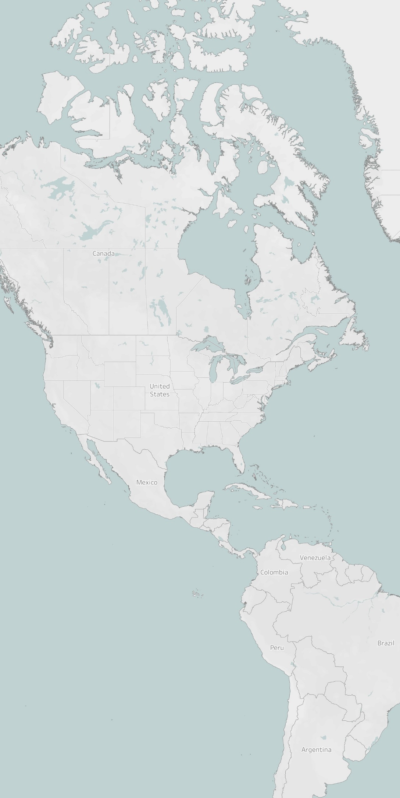
© 2021 Mapbox © OpenStreetMap

